Sheet1
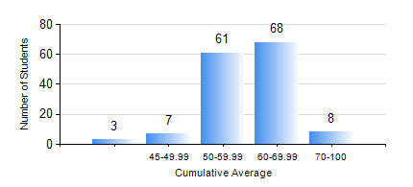
 |  |  | KWAME NKRUMAH UNIVERSITY OF SCIENCE AND TECHNOLOGY, KUMASI Department of Materials Engineering

 |  |  | BSC. METALLURGICAL ENG.

 |  |  | COMPREHENSIVE RECORD OF EXAMINATION RESULTS

 |  |  | RESULTS OF YEAR 1 SECOND SEMESTER, 2020/2021 ACADEMIC YEAR

 | Sn | Course Code |  | Course Name | Credit Hours | Min. Mark | Max. Mark | Avg. Mark | Std. Dev. | No. Passed | No. Trailed | No. (Df) | No. (I) | No. (I*) | No. Tagged(I,I*,Df) | Total
 | 0. |  |  |  |  |  |  | 0 | 0 | 0 | 0 | 0 | 0 | 0 | 0 | 3
 | 1. | ENGL 158 |  | COMMUNICATION SKILLS II | 2 | 41 | 80 | 63 | 7.83 | 144 | 0 | 0 | 0 | 0 | 0 | 144
 | 2. | MATH 152 |  | CALCULUS WITH ANALYSIS | 4 | 44 | 82 | 60 | 7.28 | 144 | 0 | 0 | 0 | 0 | 0 | 144
 | 3. | ME 160 |  | ENGINEERING DRAWING | 2 | 32 | 77 | 55 | 9.04 | 141 | 3 | 0 | 0 | 0 | 0 | 144
 | 4. | ME 162 |  | BASIC MECHANICS | 3 | 28 | 84 | 53 | 12.34 | 137 | 7 | 0 | 0 | 0 | 0 | 144
 | 5. | METE 152 |  | CHEMISTRY FOR METALLURGICAL ENGINEERS | 3 | 14 | 85 | 60 | 9.51 | 143 | 1 | 0 | 0 | 0 | 0 | 144
 | 6. | METE 154 |  | ENVIRONMENTAL SCIENCE | 2 | 41 | 82 | 61 | 8.34 | 144 | 0 | 0 | 0 | 0 | 0 | 144
 | 7. | MSE 154 |  | PRINCIPLES OF MATERIALS SCIENCE | 2 | 33 | 82 | 60 | 11.37 | 142 | 2 | 0 | 0 | 0 | 0 | 144

